InletStröme
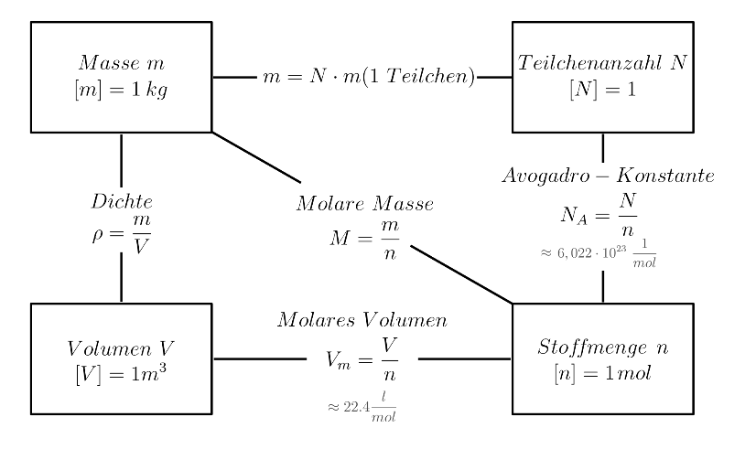
 | ml/min | ml/s | l/s | m³/s |  |  | mol/s
V_punkt_gas | 3 | 0.05 | 0.00005 | 0.00000005 |  | n_punkt_O2 | 1.655E-07
V_punkt_liquid | 5 | 0.083333333333 | 8.3333333333E-05 | 8.3333333333E-08 |  | n_punkt_ABTS_red | 8.0833333333E-08
 |  |  |  |  |  | n_punkt_Laccase | 9.6666666667E-10
L_CFI | 4 | m |  |  |  | n_punkt_Wasser | 0.004624313263
Vol_CFI | 8 | ml

T | 38 | °C
pH | 5

Dichte_O2 | 1.43 | kg/m³ |  | M_ABTS_red | 514.16 | g/mol
M_O2 | 16 | g/mol |  | M_Laccase | 56000 | g/mol
 |  |  |  | M_Wasser | 18 | g/mol

 | mol/l
konz_O2 | 0.00331
konz_ABTS_red | 0.00097
konz_Laccase | 0.0000116

V_Wasser | 1 | Liter |  | Dichte_Wasser | 1000 | g/l |  | n_Wasser | 55.49 | mol | auch mol/l
m_ABTS_red | 0.4987352 | g |  | m_Wasser | 1000 | g |  | n_ABTS_red | 0.00097 | mol
m_Laccase | 0.6496 | g |  |  |  |  |  | n_Laccase | 0.0000116 | mol
m_ges_fest | 1.1483352 | g |  | m_ges_flüssig | 998.85 | g

Results_PFR_31.05.2023
Km | 0.2 | mol/m3
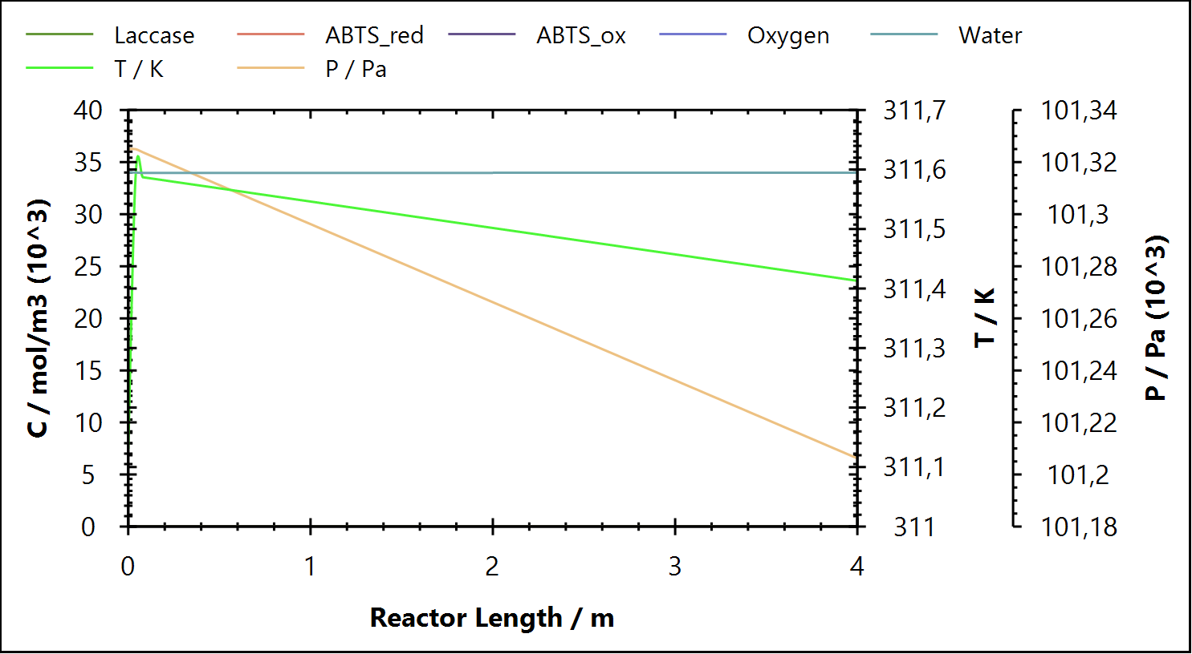
adibatic, V_reac = 8 ml, L_reac = 4 m, d = 1,6 mm
Raoult's Law (adiabat)

General
Property | Value | Unit
Temperature Difference | 0.28 | K
Heat Load | 0 | kW
Liquid residence time | 59.35 | s
Pressure drop | 120.00 | Pa

Reactions
Reactions | Property | Value | Unit
ABTS Oxidation | Reaction Coordinate | 4.94E-12 | mol/s
ABTS Oxidation | Reaction Rate | 6.17E-07 | mol/[m3*s]
ABTS Oxidation | Reaction Heat | -5.97E-07 | kW

Conversions
Compound | Conversion (%)
Water | 0.000
ABTS_red | 24.633
Oxygen | 0.252011

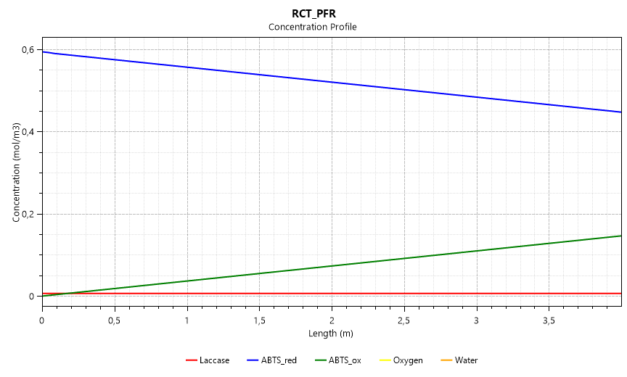

Product Stream
Compound | Amount (Mole Frac) | Concentration (mol/m3) | mmol/l
Laccase | 2.09E-07 | 7.11E-03 | 0.007
ABTS_ox | 4.33E-06 | 1.47E-01 | 0.147
ABTS_red | 1.32E-05 | 4.48E-01 | 0.448
Water | 1.00E+00 | 3.40E+04 | 33,995.220
Oxygen | 4.26E-04 | 1.45E+01 | 14.485

n_punkt_out (mol/s) | 4.59E-03
V_punkt_out (m3/s) | 1.35E-07

n_punkt_inletPFR | 4.59E-03 | mol/s
ABTSred_inlet_MoleFrac | 1.75E-05
n_punkt_ABTSred_inletPFR | 8.01E-08 | mol/s
n_punkt_ABTSox_ouletPFR | 1.98E-08 | mol/s
Yield | 24.759 | %
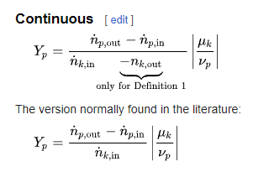

n_punkt_ABTS_red | 8.0833333333E-08 | mol/s
V_punkt | 0.00005 | l/s
c_ABTSox_outletPFR | 0.0004156374 | mol/l
n_punkt_ABTSox_out | 2.07818714E-08 | mol/s
Yield | 25.71 | %

ScaleUP_PFR_31.05.2023
 | ml/min | ml/s | l/s | m³/s |  | mol/s | Neue Dimensionierung des PFRs
V_punkt_gas | 3000 | 50 | 0.05 | 0.00005 | n_punkt_O2 | 0.0001655
V_punkt_liquid | 5000 | 83.333333333 | 0.083333333333 | 8.3333333333E-05 | n_punkt_ABTS_red | 8.0833333333E-05 | d | 160 | mm
 |  |  |  |  | n_punkt_Laccase | 9.6666666667E-07 | d | 0.16 | m
L_CFI | 4 | m |  |  | n_punkt_Wasser | 4.624313263 | tau | 59 | s
Vol_CFI | 8 | ml
 |  |  |  |  |  |  | V_punkt | 1.35E-04 | m3/s
T | 38 | °C |  |  |  |  | V_Reaktor | 7.95E-03 | m3
pH | 5 |  |  |  |  |  | L_Reaktor | 3.96E-01 | m

Dichte_O2 | 1.43 | kg/m³
M_O2 | 16 | g/mol

 | mol/l
konz_O2 | 0.00331
konz_ABTS_red | 0.00097
konz_Laccase | 0.0000116
konz_Wasser | 55.49
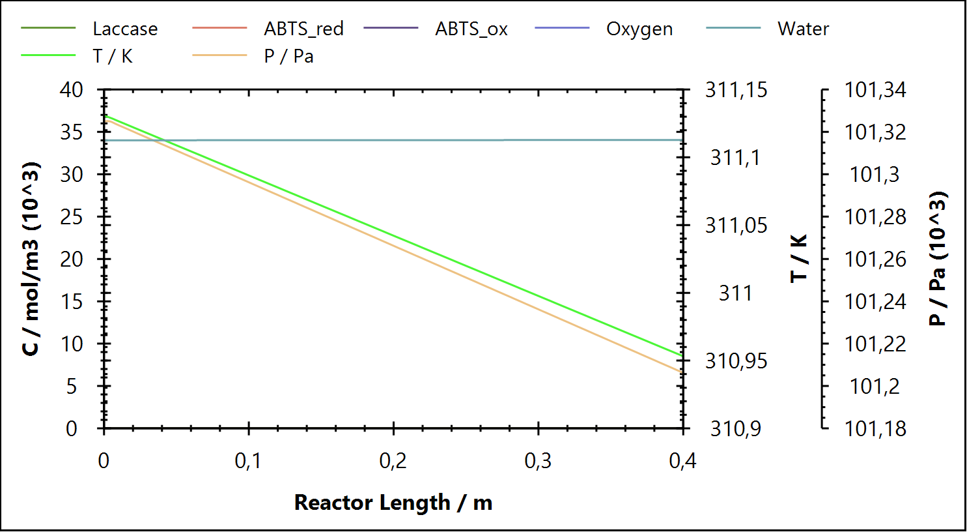

Km | 0.2 | mol/m3

Raoult's Law (adiabat)

General
Property | Value | Unit
Temperature Difference | -0.18 | K
Heat Load | 0 | kW
Liquid residence time | 59.35 | s
Pressure drop | 120.00 | Pa

Reactions
Reactions | Property | Value | Unit
ABTS Oxidation | Reaction Coordinate | 4.94E-09 | mol/s
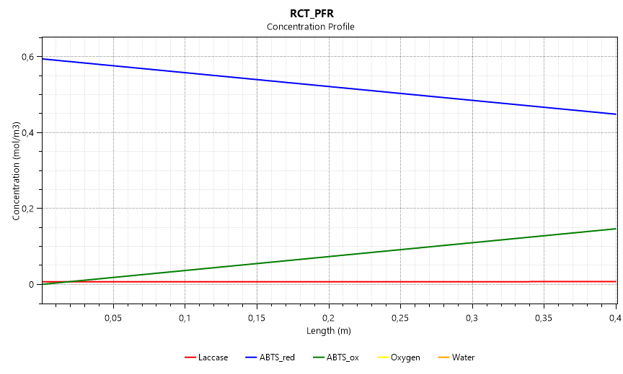
ABTS Oxidation | Reaction Rate | 6.17E-07 | mol/[m3*s]
ABTS Oxidation | Reaction Heat | -5.97E-04 | kW

Conversions
Compound | Conversion (%)
Water | 0.000
ABTS_red | 24.634
Oxygen | 0.25211

Product Stream
Compound | Amount (Mole Frac) | Concentration (mol/m3)
Laccase | 2.09E-07 | 0.01
ABTS_ox | 4.30E-06 | 0.15
ABTS_red | 1.32E-05 | 0.45
Water | 1.00E+00 | 34045.71
Oxygen | 4.26E-04 | 14.51

n_punkt_out (mol/s) | 4.59E+00
V_punkt_out (m3/s) | 1.35E-04

Vergleich_DWSIM_Labor
Zeit [s] | 0 | 1.46 | 2.92 | 4.36 | 18.98 | 20.44 | 21.9 | 23.36 | 37.96 | 39.42 | 40.88 | 42.34 | 56.94 | 58.4 | 59.86 | 61.32 | Umsatz
ABTS_ox [mmol/l] | 0 | 0.021884108663 | 0.032225719949 | 0.041380695141 | 0.16282953118 | 0.17014884769 | 0.17876361846 | 0.18770225279 | 0.28453745806 | 0.29392950138 | 0.30170222689 | 0.30863290713 | 0.39251356988 | 0.40080447709 | 0.40695788478 | 0.41563742826 | 25.71%

ABTS Oxidation (Labor)
 |  |  |  |  |  |  |  |  | 59.3454 Sekunden
Länge [m] | 0 | 0.52 | 1 | 1.48 | 2 | 2.48 | 3 | 3.48 | 4 | Umsatz
ABTS_ox [mmol/l] | 0.00074181796 | 0.019753200257 | 0.037307908811 | 0.054867144961 | 0.073894706 | 0.091463430201 | 0.11050126623 | 0.12807937101 | 0.14712742928 | 24.76%
ABTS_red [mmol/l] | 0.59448410395 | 0.5746653149 | 0.55718727565 | 0.53970471264 | 0.52076016408 | 0.50326817553 | 0.48431341518 | 0.46681199966 | 0.44784705297
Lacasse [mmol/l] | 0.007109294439 | 0.0070996508866 | 0.007100566614 | 0.0071015587037 | 0.0071024745268 | 0.0071033903963 | 0.0071043826405 | 0.0071052986069 | 0.0071062909567

Konzentrationsprofil im PFR

ABTS Oxidation (DWSIM)

